Guideline
This document is classified as Fujitsu-Retricted only.

Guidelines for Memo writing and approval

1.0 Tools for raising eMemo
Through eMemo MS Teams - Approval app

1.1 List of transactions that can be filed as e-Memo (MS Teams - Approval app)
Cash Advance
Team Building Fund Request
Budget request
Employee movement (Inter/ Intra Transfer)
Employee movement (Overseas Assignment)
IT and Non-IT Asset Disposal
Requisitions for IT or Non IT equipment
On-call/attendance incentives
Language allowance
Late OT Filing
LWOP Refund
Leaves of more than 5 days
Requisitions for IT or Non IT equipment
New Role Appointment
Request for outsourced services (Direct or Indirect Services)
Training Request with/without Bond
Hybrid Work Model for Department/Groups

Note 1: If transaction is not included from the above list, you may consult your Manager/HRD/CCO on filing the Memo.
1.2 Filing of Training Request with bond through e-Memo (request approval through MS Teams)
In filing for Training Request with Bond, the requestor must follow the steps below:
1.3.1 Fill up the Training Request with Bond memo template
1.3.2 Convert the filled up Training Request with Bond memo into pdf
1.3.3 Requestor to place his/her e-signature in the pdf of the Training Request with Bond memo
1.3.4 Attach the e-signed pdf of the Training Request with Bond memo in the e-memo ( Refer to 2.0 of this guideline for drafting the e-memo in MS Teams - Approval app)

2. Requestor to draft the e-Memo in MS Teams - Approval App
2.1. Go to MS Teams and click the “Approvals” icon:
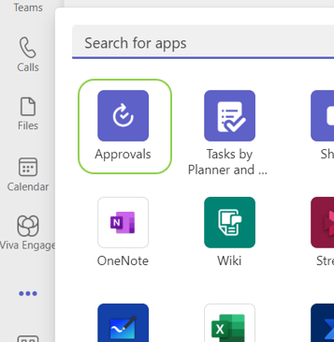

2.2. Click the “New approval request” icon on the upper right:

2.3 Fill out the following:
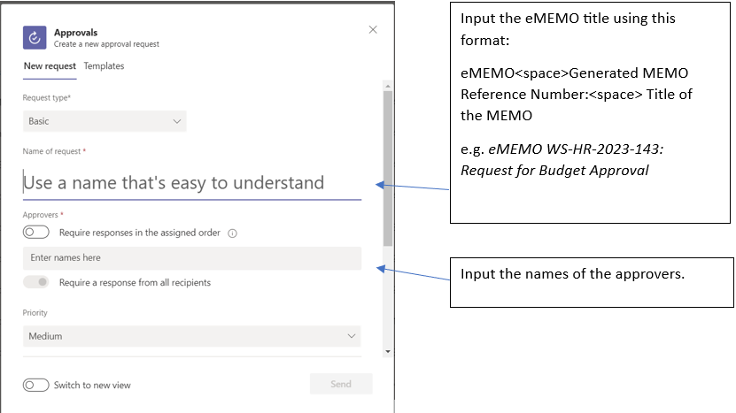

2.4 The approvers and requestor will be notified about the action and status. Approval notification can be seen at the “Activity” icon. The requestor can also monitor eMEMO approval status under the “Sent” tab:
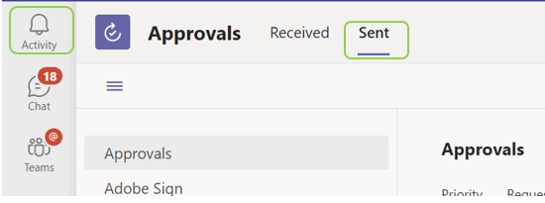

2.5 To save the fully approved eMEMO, the requestor may click the “Save as PDF” icon:
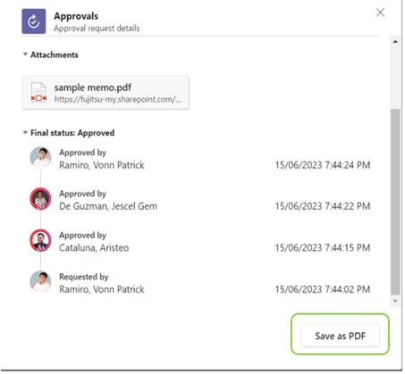

3. Requestor to keep track of the status of the e-Memo. Go to "Sent" tab from MS Teams - Approval app to view the complete list and approval Status

4. Additional important reminders in drafting the e-Memo
- Be brief and direct to the point. Please follow the KISS principle : KEEP IT SHORT and SIMPLE.
- Please enclose only the relevant supporting documents.
- If there are many pages requiring e-signature in the attachment, please help the signatories by indicating where they should sign on the documents.
- Please remember to put a reference number on your e-Memo to facilitate its filing and retrieval. You may obtain a reference number by logging a ticket in Memo Generator in PH GDCompass Page
- Always review and verify the recipients of your e-Memo prior to sending or forwarding it to stakeholders
- For Direct Services (e.g. secretarial, IT service desk agent) related e-Memo, attach accomplished Sub-con Employee Qualifcation and Job Description and add TA Manager as additional e-Memo approver.

Ex_Training Rqst wout Bond
 |  |  |  | FUJITSU GLOBAL DELIVERY CENTER - PHILIPPINES
 |  |  |  | WESERV SYSTEMS INTERNATIONAL, INC.
 |  |  |  | INTER-OFFICE MEMORANDUM

To: | Executive Office |  |  |  |  | Date: | <Date of memo>
Thru: | (Manager) |  |  |  |  | Ref. No. | <pls obtain a ref #>
From: | (Requestor)
Copies to: | HRD L&D
Subject: | (Name of Training/Certification/Exam)

I would like to request (Name of Employee) be provided with the following training and certification as listed below . This will allow employee to build capabilty (State the purpose of the training).

Employee Name |  | Position | RBU | Employee ID | Course Title |  |  | Training Dates | Certification Date | Rate
Juan Dela Cruz |  | Data Privacy Officer |  | XXXXXX | Data Privacy Seminar |  |  |  |  | 7,000.00
Total Investment |  |  |  |  |  |  |  |  |  | 7,000.00
LOCAL TRAINING
LOCAL TRAINING
COE / GLOBAL
COE / GLOBAL

Wherein the cost of training amounting to Php 7,000.00 will be paid in full by WeServ Systems International, Inc. (WSII) and I understand that there is no training bond since the amount is less than Php 15,000.00 as defined in the Training Bond Policy.

For your approval.

Created by:

Requestor’s Name
Title and Department

Noted by:

Manager's Name
Title and Department

Approved by:

RBU Head's Name
Department Name

Jean Kathleen De Lara
L&D Manager

Aristeo Cataluna
Head of HR

Christian Dean Lavisto
Head of Finance

Arlene Gregorio
Head, Philippine GDC

Ex_Training Rqst with Bond
 |  |  |  | FUJITSU GLOBAL DELIVERY CENTER - PHILIPPINES
 |  |  |  | WESERV SYSTEMS INTERNATIONAL, INC.
 |  |  |  | INTER-OFFICE MEMORANDUM

To: | Executive Office |  |  |  |  | Date: | <Date of memo>
Thru: | (Manager) |  |  |  |  | Ref. No. | <pls obtain a ref #>
From: | (Requestor)
Copies to: | HRD L&D
Subject: | (Name of Training/Certification/Exam)

I would like to request (Name of Employee) be provided with the following training and certification as listed below . This will allow employee to build capabilty (State the purpose of the training).

Employee Name |  | Position | RBU | Employee ID | Course Title |  |  | Training Dates | Certification Date | Rate
Juan Dela Cruz |  | Data Privacy Officer |  | XXXXXX | Data Privacy Seminar |  |  |  |  | 7,000.00
Total Investment |  |  |  |  |  |  |  |  |  | 7,000.00
LOCAL TRAINING
COE / GLOBAL

Wherein the cost of training amounting to Php 15,000.00 will be paid in full by WeServ Systems International, Inc. (WSII) and in exchange that the employee agree to sign a training bond which stipulates the employee voluntarily agrees to remain in the employ of WSSI for a term of XX months starting at the next day after completing the training. In the event that the services of the employee be terminated at any time before the end of the training contract term either due to his voluntary resignation /termination of his employment by WSSI for just cause , the employee agrees and binds himself to pay WSSI upon demand the sum of Php XXX.XXX (Total amount of the training and certification ) in Philippines Peso as liquidated damages to recover the business losses that may be incurred by WSSI in case of the employee's non-compliance with this memorandum.

For your approval.

Created by:

Requestor’s Name
Title and Department

Noted by:

Manager's Name
Title and Department

Approved by:

RBU Head's Name
Department Name

Jean Kathleen De Lara
L&D Manager

Aristeo Cataluna
Head of HR

Christian Dean Lavisto
Head of Finance

Arlene Gregorio
Head, Philippine GDC

CONFORME:
I confirm and accept the XX months bond for this training I am undertaking at the cost of the company. Failling which I will abide by the Training Bond Policy v2.00

Signature over Printed Name

